Print Page 1
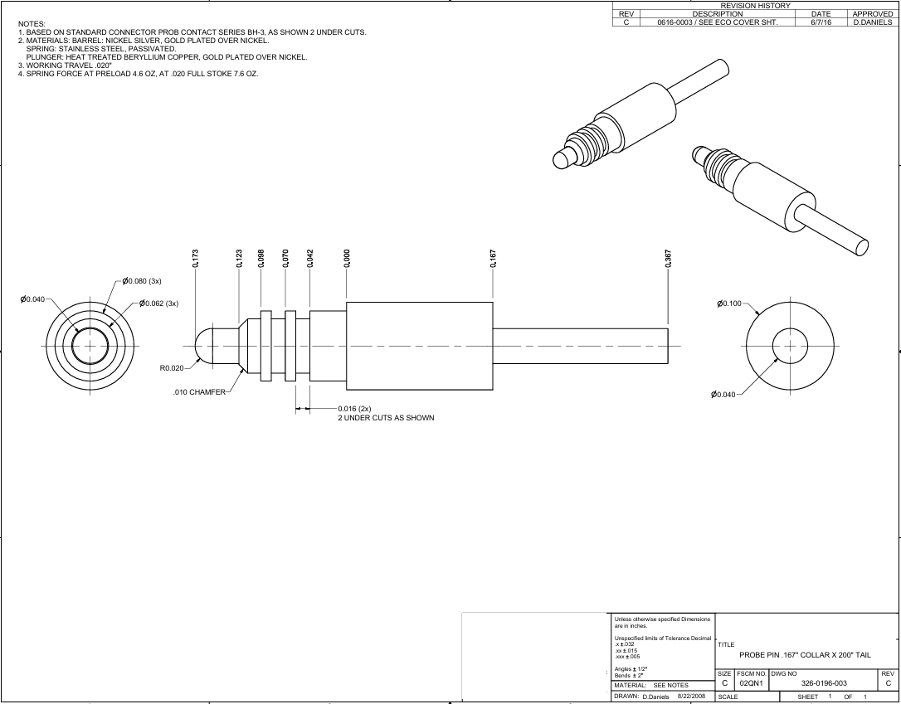

9
7
8
6
5

3
4
13
12
1

14

10
15
2
11

Tolerance Table
